Historique Tarification STEG
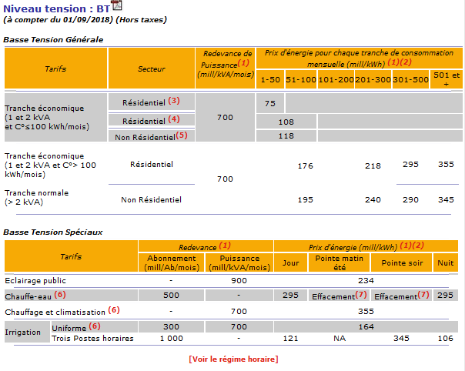
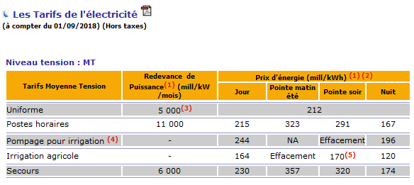

Apartir du 01/06/2019
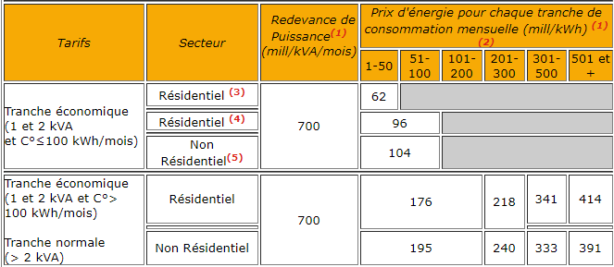

Apartir du 01/05/2022
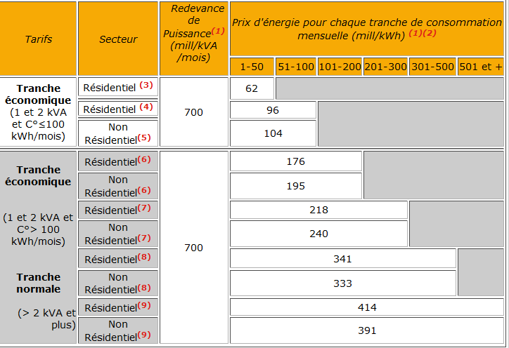
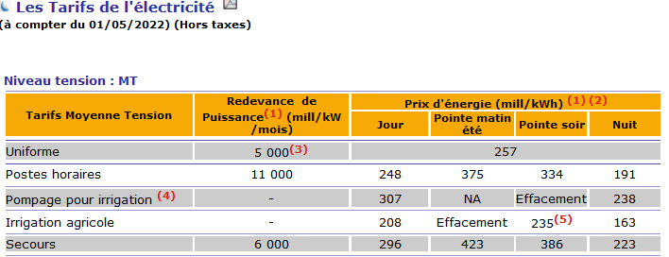

 |  | Apr-22 | May-22 | Jun-22 | Jul-22 | Aug-22 | Sep-22 | Oct-22 | Nov-22 | Dec-22
 | Prix Kwh | 251 | 257 | 263 | 270 | 277 | 284 | 291 | 291 | 291

